README
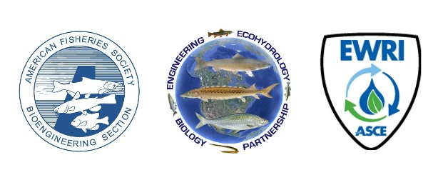
Profile Control Feasibility Checklist

Please Read this Page before Using the Profile Control Feasibility Checklist!

Notes Specific to this Checklist:
Channel Profile Control is often used as fish passage remedy in itself (e.g. regrading a stream below an existing pipeline, road or syphon crossing a stream OR as a component of another project (e.g. dam removal , road crossing retrofit) to solve a discontinuity in the vertical longitudinal profile of a channel.
This version contains only the basic feasibility checklist with a minimum of references and details.
This checklist is to be used as an aid when taking a first in-depth look at a potential profile control project to determine A) if the project is feasible and B) what are the major issues and participants that need to be considered for implementation of the project. Unlike some of the other checklists, it is NOT a comprehensive design guide.

About the Checklists:
The Education Committee of the BioEngineering Section (BES) of the American Fisheries Society (AFS) is providing a series of checklists for implementing fish passage and habitat projects as a service to our community of practice, especially newer practitioners and on the ground project managers. These checklists are provided with the intent of fostering more successful projects with fewer missteps and less backtracking. The following are a few notes to help make use of these checklists:
 | The checklists are targeted to common, small and moderate scale civil works projects being performed to remedy fish passage problems or for habitat improvement. They are not meant to address large and complex projects, nor will they perfectly serve all cases.

 | The checklists are to be used as prompts to consider what to enact or provide for a particular project type. The intent is not that each item should be performed, but the practitioner should consider each item to determine if it is required or beneficial to a successful project. It is unlikely that any project will enact ALL the items on a checklist, and conversely these checklists should be considered a starting point, with additional steps that may be necessary for a site or geographic area.

 | Individual checklists have been assembled for Aquatic Organism Passage, Fishways, Eel Passes, Dam Removals, Stream Profile Control, and Small Screens. Additional check lists may be included over time. Checklists were developed by experts in each type of project, based on the best available guidance rooted in existing science, engineering and training resources.

These checklists are not being endorsed by AFS or BES. There are other project checklists available from other authorities on these topics. Some can be found within training documents found at our other product, the Fish Passage Training Portal, available at the project homepage linked below. If you think the below collection of checklists would benefit from another category of project or have other feedback, please write to: water@terraserve.net

Glossary: | A glossary of terms related to fish passage and stream restoration implementation has been compiled from various sources into a single file for ease of reference and can be downloaded from the project home page. | Project Home Page:
 |  | https://units.fisheries.org/fishpassagejointcommittee/fishpassagetrainingportal/
Fish Passage Training Portal: | A compendium of fish passage-related training resources and links to electronic data developed to provide a centralized and vetted list of resources to new practicitioners or those looking to expand their knowledge.

