README
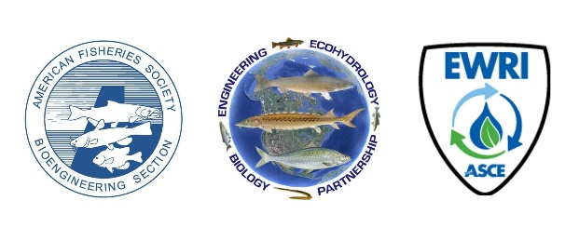

 |  | Welcome to the Fish Passage Training Portal!

Disclaimer: | This compendium of training resources and links to electronic data has been compiled for the sole intent and purpose of making such information available to end users for use at their discretion. Inclusion to this list is provided without guarantee and does not imply endorsement or level of accuracy by the Joint Fish Passage Committee, AFS, or ASCE. Since regulations, practices, and engineering guidelines change over time it is the end user’s responsibility to confirm applicability with pertinent site-specific agency, regional, and/or funding requirements. This is to be used as an educational resource for refence and technical advancement, but does not replace the need formal training, mentoring, and guidance by experienced practitioners in the field of practice.

How To Use This Tool:
1 | The first two columns of the Training Portal Tab are frozen for ease of navigation. Metadata, including direct links to the resources, are included in columns C through O. If you cannot see some columns when opening this tab, try using the scroll bar below the worksheet on the right to scroll left or right. Location metadata (Continent, County, and State) have been grouped so that these columns can be collapsed, but are expanded in the original Fish Passage Training Portal download file.
2 | Cells containing resource metadata are locked and cannot be edited. Columns to the right of the metadata are unoocked and may be used for annotations, including the User Notes column
3 | Column: Author may refer to the owner(s), author(s), and/or editor(s) of the resource. Where named authors or editors are known for an agency document, the agency has been listed first followed by the named authors or editors.
4 | Where a state or federal agency is an Author of a resource, the agency has been listed by its preferred acronym or shortened name form.
5 | Where multiple versions of a resource exist, only the most recent version of the document is listed in the Training Portal. If superceded versions are known to exist, this has been stated in the Notes column.
6 | If a resource is understood to be intended for use with another resource listed in the Training Portal, this is stated in the Notes column.
7 | All columns may be sorted using the drop-down boxes located in the Header. For boxes with comma-separated lists, searching for a specific term or keyword using the search bar in the same drop-down box is recommended over filtering.
8 | Continent, Country, and State are listed for each resource where applicable and known. If the resource is not applicable to a specific state or country, the relevant column has been left blank for that record.
9 | A glossary has been compiled from multiple annotated sources and is provided as an additional document for use/review. The glossary may be integrated into the Training Portal as a PDF link or spreadsheet tab in future versions.

Glossary: | A glossary of terms related to fish passage and stream restoration implementation has been compiled from various sources into a single file for ease of reference and can be downloaded from: |  | https://units.fisheries.org/fishpassagejointcommittee/fishpassagetrainingportal/

Links: | To Submit Another Resource: | https://docs.google.com/forms/d/e/1FAIpQLSeHpnjiBxsJntwhTztdmlW7wlEClZcoRpVOqx2uacrpCZWzkA/viewform?usp=sf_link
 | To Provide Feedback: | https://docs.google.com/forms/d/e/1FAIpQLSfvvN7f7WibLUmRe2J7d2kCCqmnvwyNOSbHW27FBi5MKOJp4g/viewform?usp=sf_link
 |  | To provide feedback on specific records, please either provide a comment in the form (referencing the appropriate Record ID(s), or send a copy of the Training Portal with feedback in the User Notes column to rweiter@eaest.com

Acknowledgements: | This resource was compiled by volunteers from the AFS-BES Ad-Hoc Education Committee, the AFS-BES/ASCE-EWRI Joint Committee on Fisheries Science and Engineering, with significant contributions from staff/members of American Rivers and the Fish Passage Task Force.

